Sheet1
 | All materials are referenced to the attached system schematic diagram

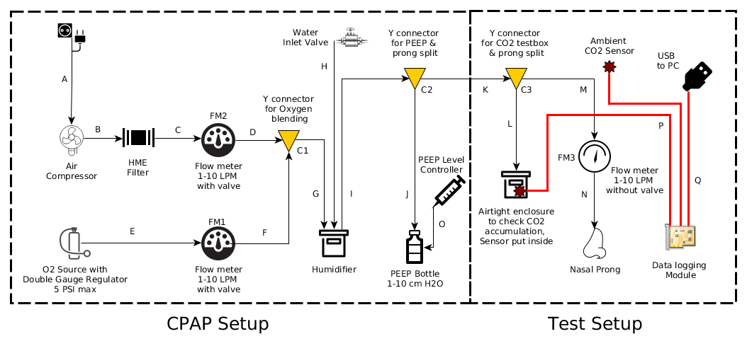

 |  |  |  |  |  |  | Legends:
 |  |  |  |  |  |  | Optional Item

Sl. No. | Component Type | Count | As shown in Diagram | Vendor | Manufacturer Part No. | Description | Datasheet | product link | link for purchase
1 | Air compressor | 1 no. | Air compressor | Amazon India | ACO-308 | Hailea Air Compressor ACO-308, 22W. 220V/50Hz; 45LpM | http://www.aeroponic.gr/en/eshop/hailea-aco-308-detail.pdf?tmpl=component | http://www.hailea.com/e-hailea/product3/ACO-308.htm | http://www.amazon.in/HAILEA-ACO-308-Hailea-Air-Compressor/dp/B0083UFKDG
2 | L connector for Flowmeter | 4 nos. | C-FM2-D, E-FM1-F, M-FM3-N | McMASTER-CAR | 2808K121 | Polyethylene Barbed Tube Fitting 90 Degree for 3/8“ Elbow Tube | https://www.mcmaster.com/#2808k121/=189an7w | https://www.mcmaster.com/#2808k121/=189an7w | https://www.mcmaster.com/#2808k121/=189an7w
3 | HME filter Disk type | 1 no. |  |  |  |  |  | http://mederen.com/uploads/catalogue/respiratory_and_anestesia/heats/thumbnail/h2-f1000x1000.jpg | https://www.larsmedicare.com/hme-filter/
4 | Flow meter 1-10 LPM | 3 nos. | FM1, FM2, FM3 | Amazon | homyl | Homyl 1-10LPM Tube Type Oxygen Flow Meter Flowmeter Regulator With Valve,Measuring And Controlling Air |  | https://www.amazon.in/gp/product/B07HSKD591/ref=oh_aui_search_detailpage?ie=UTF8&psc=1
5 | End cap for fitting HME filter with tube | 2 nos.
6 | alternative HME filter (no extra end cap required, replacement for tem no. 5 & 6) | 1 no. |  |  |  |  |  | https://scientificfilters.com/store/filtration-devices-syringe-filter-rezist-10463607?gclid=CjwKCAjw9sreBRBAEiwARroYm9QC_xDzgnblZRIQAp5nP-m8D8B5os57kqxbqK5Wc6_StoMAS4ANQRoCqesQAvD_BwE
7 | L connector with threading with nut for humidifier | 3 nos. | G-Humidifier-H-I | McMASTER-CAR | 2429K34 | Elbow Adapter, for 8mm Tube ID x 1/4 NPT Male | https://www.mcmaster.com/#2429k34/=189bu64 | https://www.mcmaster.com/#2429k34/=189bu64 | https://www.mcmaster.com/#2429k34/=189bu64
8 | Tubing for breathing circuit | 7 mtr. | A,B,C,D,E,F,G,H,I,J,K,L,M,N | Generic |  | Tube ID: 8mm, OD: 12mm, soft silicone, Lab equipment grade, autoclavable |  | https://www.alibaba.com/showroom/silicone-tube-for-laboratory.html
9 | Humidifier chamber | 1 no. | Humidifier | Roxx |  | small Plastic Waterproof Airtight Case |  | https://www.amazon.in/gp/product/B007PDU6IQ/ref=oh_aui_search_detailpage?ie=UTF8&psc=1
10 | alternative disposable humidifier chamber | 1 no. |  | Generic |  | Medical grade humidifier |  | https://www.4mdmedical.com/disposable-humidifier-6-psi.html
11 | Y connector (1 for CO2 testing) | 2 +1 nos. | C1, C2, C3 | McMASTER-CAR | 2808K131 | Plastic Wye Connector, for 3/8" Tube ID | https://www.mcmaster.com/#2808k131/=189hu45 | https://www.mcmaster.com/#2808k131/=189hu45 | https://www.mcmaster.com/#2808k131/=189hu45
12 | Ram cannula | 1 no. | Nasal Prong | http://pro-med.cn | P2001001, P2001002, P2001003, P2001004 | Nasal Oxygen Cannula |  | http://pro-med.cn/PRODUCTS/RespiratoryRanges/340484.shtml | http://pro-med.cn/PRODUCTS/RespiratoryRanges/340484.shtml
13 | PEEP bottle | 1 no. | PEEP bottle | Quechua |  |  |  | http://www.amazon.in/Quechua-Hiking-Bottle-Cutlery-Yellow/dp/B00HZETOS8 | http://www.amazon.in/Quechua-Hiking-Bottle-Cutlery-Yellow/dp/B00HZETOS8
14 | Adjustable Bottle holder | 1 no. | PEEP bottle | Generic |  | Bottle Carrier Bracket |  | http://www.amazon.in/Arrival-Adjustable-Plastic-Cycling-Accessories/dp/B01MG1YRLG | http://www.amazon.in/Arrival-Adjustable-Plastic-Cycling-Accessories/dp/B01MG1YRLG
15 | PVC tube inside PEEP Bottle | 6" | PEEP bottle | Generic |  | OD: 16mm ; ID: 12mm
16 | Sytinge for PEEP level control | 1 no. | PEEP level controller |  |  |  |  |  | https://www.amazon.in/SaiDeng-Reusable-Syringes-Cleaning-Measuring/dp/B07Q12KHPD/ref=sr_1_18?keywords=syringe&qid=1555504293&s=kitchen&sr=1-18
17 | CPAP enclosure | 1 no. |  | Rolec India | BC-AGS -283818 | Enclosure for CPAP device |  | http://www.rolecenclosures.in/
18 | Forged ball valve 1/2" | 1 no. | Water inlet valve |  |  |  |  | images attached in the folder
19 | Nozzle for ball valve 1/2" to 3/8" | 2 nos. | Water inlet valve
20 | Tube fasteners 3/4" | 2 nos. | Water inlet valve
21 | Teflon tape | 1 nos. | Water inlet valve
22 | U clamp 1" dia, 3/4" width | 2 nos.
23 | Funnel for pouring water (optional) | 1 nos.
24 | Oxygen cylinder regulator | 1 nos. | O2 Source Regulator |  |  | Dual gauge single stage valve regulator |  | https://www.amazon.in/Bloomerang-Welding-Victor-Cutting-Regulator/dp/B07JM6RMK4/ref=sr_1_11?ie=UTF8&qid=1543572097&sr=8-11&keywords=dial+gauge+regulator
25 | CO2 testing enclosure | 1 No. |  |  |  | Bottles similar to this |  | https://www.amazon.in/Cello-Unbreakable-Plastic-Bottle-Litre/dp/B01BYBTZJA/ref=sr_1_3?keywords=plastic+bottle&qid=1555506785&s=kitchen&sr=1-3
26 | MQ-135 CO2 sensor | 2 nos. | Sensor |  |  |  | https://www.olimex.com/Products/Components/Sensors/Gas/SNS-MQ135/resources/SNS-MQ135.pdf | https://www.amazon.in/REES52-Arduino-Compatible-Sensor-Methane/dp/B018GW70G0/ref=sr_1_1?keywords=mq135&qid=1555506899&s=gateway&sr=8-1
27 | Arduino UNO with USB cable | 1 no. | Data logging Module |  |  |  | https://www.farnell.com/datasheets/1682209.pdf | https://www.amazon.in/Uno-ATmega328P-Compatible-ATMEGA16U2-Arduino/dp/B015C7SC5U/ref=sr_1_3?keywords=arduino+uno&qid=1555506988&s=gateway&sr=8-3

